Procedure & Guidance
Risk Assessment – Procedure and Guidance

There is no mystery to risk assessment - it is a simple tool we use every day in life.
Think about COVID-19 – ‘an infectious disease caused by a newly discovered coronavirus’ WHO (2020) which we all experienced together.
We all had to learn how to minimise the risk of infection, and as a result assess what we were doing every day. With no vaccine we could not eliminate it, so we had to adapt to a new set of control measures - phrases like social distancing, furlough and self-isolation have become part of our everyday vocabulary.
Below are 5 steps to risk assessment - they are there to assist you in preparing risks assessments for the activities, tasks and events that you may arrange as part of your role within the University.
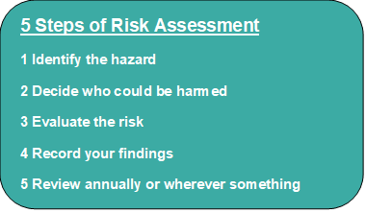
1 Identify the hazards - this is something that has the potential to cause harm and foreseeable
2 Decide who could be harmed - consider all persons including special risk categories such as young persons (<18), lone workers, new and expectant mothers and those persons with physical, mental and learning disabilities
3 Risk Factor - WITHOUT controls what would be the risk? Use the matrix within Hazards worksheet Risk = Severity (what could the impact be) x Likelihood (the chance of something happening)
4 Control measures – what are you going to do to ensure that you can get the risk rating to as low as reasonably practicable?
5 Residual risk – this is the rating now that you have considered all the safe measures you have in place
6 Sign and date the document – if you are in any doubt about your risk assessment, the Health and Safety Lead Officer will happily look at it for you and advise
7 Add the date of your next review – this is generally annually or whenever there is cause such as an accident or near miss.

